BROOKS
BROOKS SHOES OFFER

PHOTOS | MODEL | GENDER | MODEL CODE | 5.0 | 5.5 | 6.0 | 6.5 | 7.0 | 7.5 | 8.0 | 8.5 | 9.0 | 9.5 | 10.0 | 10.5 | 11.0 | 11.5 | 12.0 | 12.5 | 13.0 | TOT | WHS | TOT WHS | RRP | TOT RRP
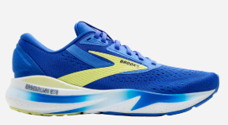 | Adrenaline GTS 24 | Mens | 1104371D434 |  |  |  |  |  |  |  |  | 15 |  |  |  |  |  |  |  |  | 15 | 75.00 € | 1,125.00 € | 150.00 € | 2,250.00 €
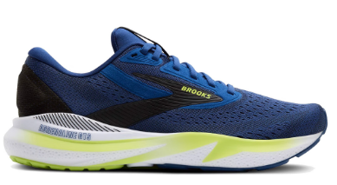 | Adrenaline GTS 24 | Mens | 1104371D425 |  |  |  |  | 4 |  |  |  |  |  |  | 101 | 100 | 203 | 62 |  |  | 470 | 75.00 € | 35,250.00 € | 150.00 € | 70,500.00 €
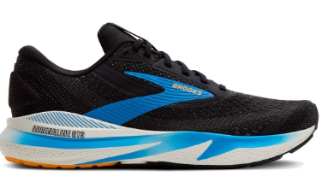 | Adrenaline GTS 24 | Mens | 1104371D095 |  |  |  |  | 18 | 51 | 67 |  |  |  |  |  |  | 37 |  |  |  | 173 | 75.00 € | 12,975.00 € | 150.00 € | 25,950.00 €
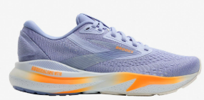 | Adrenaline GTS 24 | Womens | 1204261B443 | 4 |  | 43 |  | 11 | 11 |  |  |  |  |  |  |  |  | 1 |  | 3 | 73 | 75.00 € | 5,475.00 € | 150.00 € | 10,950.00 €
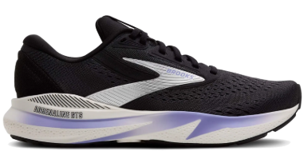 | Adrenaline GTS 24 | Womens | 1204261B099 | 1 | 2 | 72 |  | 27 | 54 |  |  |  |  |  |  |  |  |  |  | 2 | 158 | 75.00 € | 11,850.00 € | 150.00 € | 23,700.00 €
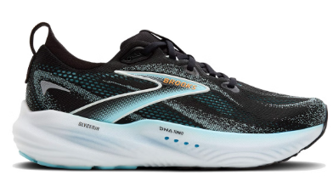 | Glycerin 22 | Mens | 1104451D063 |  |  |  |  |  | 1 |  |  |  |  |  |  | 49 | 241 | 5 |  |  | 296 | 90.00 € | 26,640.00 € | 180.00 € | 53,280.00 €
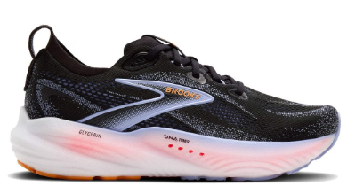 | Glycerin 22 | Womens | 1204341B088 |  |  | 20 | 36 | 95 | 31 |  |  |  |  |  |  |  |  |  |  |  | 182 | 90.00 € | 16,380.00 € | 180.00 € | 32,760.00 €
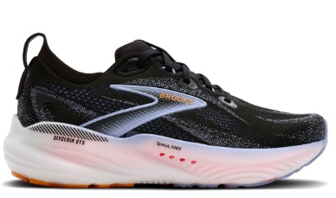 | Glycerin GTS 22 | Womens | 1204351B088 |  | 4 | 6 | 32 | 32 | 22 | 2 |  | 1 |  |  |  |  | 2 | 5 |  |  | 106 | 90.00 € | 9,540.00 € | 180.00 € | 19,080.00 €
 |  |  |  |  |  |  |  |  |  |  |  |  |  |  |  |  |  |  |  |  | 1,473 |  | 119,235.00 €

